1. Title Page
[Project Name]

Project Name: Instacart Grocery Basket Analysis
Date: 17.06.2022
Analyst Name: Nils Boden

Contents:
Population Flow
Consistency checks
Wrangling steps
Column derivations
Visualizations
Recommendations

Context: The Instacart stakeholders are most interested in the variety of customers in their database along with their purchasing behaviors. They assume they can't target everyone using the same methods, and they’re considering a targeted marketing strategy. They want to target different customers with applicable marketing campaigns to see whether they have an effect on the sale of their products. Your analysis will inform what this strategy might look like to ensure Instacart targets the right customer profiles with the appropriate products. The stakeholders would like to be able to answer the following key questions:

Questions:

1. The sales team needs to know what the busiest days of the week and hours of the day are (i.e., the days and times with the most orders) in order to schedule ads at times when there are fewer orders.
2. They also want to know whether there are particular times of the day when people spend the most money, as this might inform the type of products they advertise at these times.
3. Instacart has a lot of products with different price tags. Marketing and sales want to use simpler price range groupings to help direct their efforts.
4. Are there certain types of products that are more popular than others? The marketing and sales teams want to know which departments have the highest frequency of product orders.
5. The marketing and sales teams are particularly interested in the different types of customers in their system and how their ordering behaviors differ. For example: ● What’s the distribution among users in regards to their brand loyalty (i.e., how often do they return to Instacart)? ● Are there differences in ordering habits based on a customer’s loyalty status? ● Are there differences in ordering habits based on a customer’s region? ● Is there a connection between age and family status in terms of ordering habits?
6. What different classifications does the demographic information suggest? Age? Income? Certain types of goods? Family status?
7. What differences can you find in ordering habits of different customer profiles? Consider the price of orders, the frequency of orders, the products customers are ordering, and anything else you can think of.

Data Citation:

“The Instacart Online Grocery Shopping Dataset 2017”, Accessed from https://www.instacart.com/datasets/grocery-shopping-2017 on 08.06.2022 [DD-MM-YYYY].

2. Population Flow
Title page

Population flow

Exclusion flag
Condition: max_order <
Obervations to be removed:
Final total count of order_products_all:

Orders_products_combined
Orders_products_merged
Orders_products_all

Total: 32404859, 15
Total: 32434489, 12
Total: 32399732, 30

1.) The grey boxes in the first row of the population flow represent the original data sets as they were when you downloaded them. In the Total fields you need to add the count of the rows when you imported the data set into Jupyter.
2.) The second row of boxes (coloured) represents the data sets after you manipulated them, e.g., removed missing values and duplicates. In the Total fields you need to add the count of the rows after conducting these operations. This offers a visual oveview of how the data flows throughout the data consistency checks.
3.) The third row, where also the arrows are coloured, represents the merges you performed between the datasets. In the Total fields you need to add the count of the rows in the merged datasets, so that you end up with the final dataset (in the red box). Keep in mind the final dataset should be without exclusions (based on the exclusion flag).

3. Consistency checks
 |  |  |  | Title page
Consistency checks

Dataset | Missing values | Missing values treatment | Duplicates
orders | 206209 missing values in days_since_prior_order column | I replaced the missing values with -1 assuming the NaN is the value for the very first order
products | 16 missing values | deletion | 5 duplicates
orders_products_prior
customers | 206209-194950 missing values | I dropped the whole column
orders_products_combined
orders_products_merged |  |  | I found 5127 values in the prices column which are probably errors (prices of 99999.0 and at around 14k and something), but I deleted them here and therefore have less rows in the merging with the customers than before. I realized this in task 4.8

4. Wrangling steps
 |  |  |  | Title page
Wrangling steps

Columns dropped | Columns renamed | Columns' type changed | Comment/Reason
eval_set |  |  | not needed
 | order_dow to orders_day_of-week |  | for explanatory reasons
 |  | order_id to str | not needed for statistics
 |  | user_id to str | not needed for statistics

 | First Name |  | PII reasons
 | surnam to surname |  | to retain unity
 | Gender to gender |  | to retain unity
 | STATE to state |  | to retain unity
 | Age to age |  | to retain unity
surname |  |  | PII reasons

Unnamed: 0 |  |  | I forgot about these two columns while working on the orders dataframe, i dropped them after the merge to the orders products combined dataframe, no errors occured impacting the ongoing work
Unnamed: 0.1

_merge |  |  | Merge indicators I don't need any longer
Second_Merge |  |  | Merge indicators I don't need any longer
third_merge |  |  | Merge indicators I don't need any longer

baby_flag |  |  | after creating the profiling variable i didn't need them any longer
pet_flag |  |  | after creating the profiling variable i didn't need them any longer
income_status |  |  | after creating the profiling variable i didn't need them any longer
age_status |  |  | after creating the profiling variable i didn't need them any longer
dependants_status |  |  | after creating the profiling variable i didn't need them any longer

5. Column derivations
 |  |  |  | Title page

Column derivations and aggregations

In this tab you should add tables below that the frequences of flags/label variables that you produced after deriving them. NB: don't do this for continuous variables, only for flags.
Dataset | New column | Column/s it was derived from | Conditions
orders_products_merged | price_range_loc | prices | df.loc[df['prices'] > 15, 'price_range_loc'] = 'High-range product' df.loc[(df['prices'] <= 15) & (df['prices'] > 5), 'price_range_loc'] = 'Mid-range product' df.loc[df['prices'] <= 5, 'price_range_loc'] = 'Low-range product'
orders_products_merged | busiest period of day | order_hour_of_day | I created an automatic algorithm that sorts the hours based on their quartile ranges into lists, then sorts these lists and deletes the hours inbetween time periods and then inserts these shorted lists into the new column. Inserting the whole script would be quite long. For understanding Direction 4 in the script 'NB_Task_4.7' describes this step clearly.
orders_products_merged | busiest_day | orders_day_of_week | result = [] for value in ords_prods_merged['orders_day_of_week']: if value == 0: result.append('Busiest day') elif value == 4: result.append('Least busy') else: result.append('Regularly busy')
orders_products_merged | busiest_day | orders_day_of_week | result = [] for x in ords_prods_merged_new['orders_day_of_week']: if x == 0: result.append('Busiest day') elif x == 1: result.append('Busy day') elif x == 3: result.append('Less busy day') elif x == 4: result.append('Least busy day') else: result.append('Regularly busy day')
orders_products_merged | loyalty_flag | max_order | ords_prods_merged.loc[ords_prods_merged['max_order'] > 40, 'loyalty_flag'] = 'Loyal customer' ords_prods_merged.loc[(ords_prods_merged['max_order'] <= 40) & (ords_prods_merged['max_order'] > 10), 'loyalty_flag'] = 'Regular customer' ords_prods_merged.loc[ords_prods_merged['max_order'] <= 10, 'loyalty_flag'] = 'New customer'
orders_products_merged | spending_type | prices | subsetthistwo.loc[subsetthistwo['prices'] < 10, 'spending_type'] = 'Low spender' subsetthistwo.loc[subsetthistwo['prices'] >= 10, 'spending_type'] = 'High spender'
orders_products_merged | frequency_flag | days_since_prior_order | subsetthistwo['median_orders'] = subsetthistwo.groupby(['user_id'])['days_since_prior_order'].transform(np.median) subsetthistwo.loc[subsetthistwo['median_orders'] > 20, 'frequency_customer'] = 'Non-frequent customer' subsetthistwo.loc[subsetthistwo['median_orders'] <= 10, 'frequency_customer'] = 'Frequent customer' subsetthistwo.loc[(subsetthistwo['median_orders'] > 10) & (subsetthistwo['median_orders'] <= 20), 'frequency_customer'] = 'Regular customer'
order_products_all | region | state | df_test.loc[(df_test['state'] == 'Maine') | (df_test['state'] == 'New Hampshire') | (df_test['state'] == 'Vermont') | (df_test['state'] == 'Massachusetts') | (df_test['state'] == 'Rhode Island') | (df_test['state'] == 'Connecticut') | (df_test['state'] == 'New York') | (df_test['state'] == 'Pennsylvania') | (df_test['state'] == 'New Jersey'), 'region'] = 1 df_test.loc[(df_test['state'] == 'Wisconsin') | (df_test['state'] == 'Michigan') | (df_test['state'] == 'Illinois') | (df_test['state'] == 'Indiana') | (df_test['state'] == 'Ohio') | (df_test['state'] == 'North Dakota') | (df_test['state'] == 'South Dakota') | (df_test['state'] == 'Nebraska') | (df_test['state'] == 'Kansas') | (df_test['state'] == 'Minnesota') | (df_test['state'] == 'Iowa') | (df_test['state'] == 'Missouri'), 'region'] = 2 df_test.loc[(df_test['state'] == 'Delaware') | (df_test['state'] == 'Maryland') | (df_test['state'] == 'District of Columbia') | (df_test['state'] == 'Virginia') | (df_test['state'] == 'West Virginia') | (df_test['state'] == 'North Carolina') | (df_test['state'] == 'South Carolina') | (df_test['state'] == 'Georgia') | (df_test['state'] == 'Florida') | (df_test['state'] == 'Kentucky') | (df_test['state'] == 'Tennessee') | (df_test['state'] == 'Mississippi') | (df_test['state'] == 'Alabama') | (df_test['state'] == 'Oklahoma') | (df_test['state'] == 'Texas') | (df_test['state'] == 'Arkansas') | (df_test['state'] == 'Louisiana'), 'region'] = 3 df_test.loc[(df_test['state'] == 'Idaho') | (df_test['state'] == 'Montana') | (df_test['state'] == 'Wyoming') | (df_test['state'] == 'Nevada') | (df_test['state'] == 'Utah') | (df_test['state'] == 'Colorado') | (df_test['state'] == 'Arizona') | (df_test['state'] == 'New Mexico') | (df_test['state'] == 'Alaska') | (df_test['state'] == 'Washington') | (df_test['state'] == 'Oregon') | (df_test['state'] == 'California') | (df_test['state'] == 'Hawaii'), 'region'] = 4
order_products_all | exclusion_flag | max_order | df_filter_low_customers.loc[(df_filter_low_customers['max_order'] < 5), 'exclusion_flag'] = 1 df_filter_low_customers.loc[(df_filter_low_customers['max_order'] >=5), 'exclusion_flag'] = 0
order_products_all | pet_flag | department_id | Basically I created a subset containing if the user has ordered products of the pet department, then marked this user with a flag, deleted the duplicates and null values and finally merged this subset back into the main dataframe, adding a flag to every user_id if the user has ordered pets (1) or not (0).
order_products_all | baby_flag | department_id | Basically I created a subset containing if the user has ordered products of the baby department, then marked this user with a flag, deleted the duplicates and null values and finally merged this subset back into the main dataframe, adding a flag to every user_id if the user has ordered baby products (1) or not (0).
order_products_all | age_status | age | list_age = df_full_merged['age'].describe().reset_index()['age'].tolist() df_full_merged.loc[(df_full_merged['age'] < list_age[4]), 'age_status'] = 1 df_full_merged.loc[((df_full_merged['age'] >= list_age[4]) & (df_full_merged['age'] < list_age[5])), 'age_status'] = 2 df_full_merged.loc[((df_full_merged['age'] >= list_age[5]) & (df_full_merged['age'] < list_age[6])), 'age_status'] = 3 df_full_merged.loc[(df_full_merged['age'] >= list_age[6]), 'age_status'] = 4
order_products_all | income_status | income | list_income = df_full_merged['income'].describe().reset_index()['income'].tolist() df_full_merged.loc[(df_full_merged['income'] < list_income[4]), 'income_status'] = 1 df_full_merged.loc[((df_full_merged['income'] >= list_income[4]) & (df_full_merged['income'] < list_income[5])), 'income_status'] = 2 df_full_merged.loc[((df_full_merged['income'] >= list_income[5]) & (df_full_merged['income'] < list_income[6])), 'income_status'] = 3 df_full_merged.loc[(df_full_merged['income'] >= list_income[6]), 'income_status'] = 4
order_products_all | pet_written | pet_flag | a written version of the pet flag
order_products_all | baby_written | baby_flag | a written version of the baby flag
order_products_all | age_written | age_status | a written version of the age status
order_products_all | income_written | income_status | a written version of the income status
order_products_all | dependants_written | n_dependants | In short-form: if n_dependants = 0: dependants_written = 'no dep.' if n_dependants >=1: dependants_written = '1-3 dep.'
order_products_all | dependants_status | dependants_written | In short-form: if n_dependants = 0: dependants_written = 0 if n_dependants >=1: dependants_written = 1
order_products_all | profiling_variable | pet_flag, baby_flag, income_status, age_status, dependants_status, region | df_full_merged['profiling_variable'] = df_full_merged['region'].astype('str') + df_full_merged['income_status'].astype('str') + df_full_merged['age_status'].astype('str') + df_full_merged['dependants_status'].astype('str') + df_full_merged['baby_flag'].astype('str') + df_full_merged['pet_flag'].astype('str')
order_products_all | selection_flag | profiling_variable, count of order_id | if the sum of order_ids of a previous created profiling_variable was higher than 242068.6 (2 STDs away from the average sum of orders of all profiling variables, then selection_flag = 1, else selection_flag = 0
order_products_all | department | department_id | A written version of the department id

6. Visualizations
 |  |  | Title page

Visualisations

In this tab you should include all the visualtions from Exercises 4.9 and 4.10, alongside the questions from the project brief that they answer. Include any commentary on the relationship between different variables.

Key Question 1:

 | The sales team needs to know what the busiest days of the week and hours of the day are (i.e., the days and times with the most orders) in order to schedule ads at times when there are fewer orders.
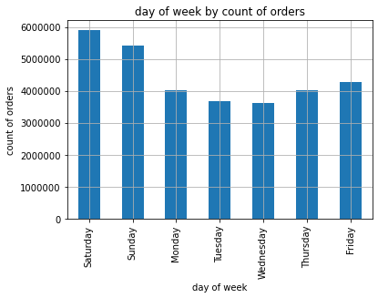
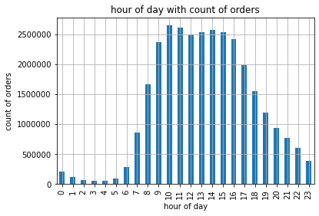

 | The busiest days is Saturday and Sunday, the laziest day is Wednesday. From 10 o'clock till 15 o'clock is the time with most orders.

Key Question 2:

 | They also want to know whether there are particular times of the day when people spend the most money, as this might inform the type of products they advertise at these times.

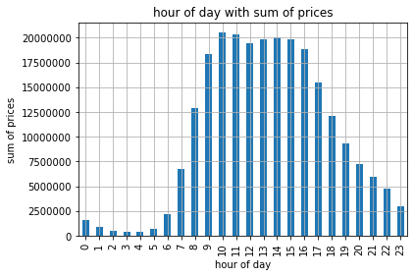

 | Similiar to the time period with the most orders, from 10 o'clock till 15 o'clock is also the time in which the most money is spent.

Key Question 3:

 | Instacart has a lot of products with different price tags. Marketing and sales want to use simpler price range groupings to help direct their efforts.
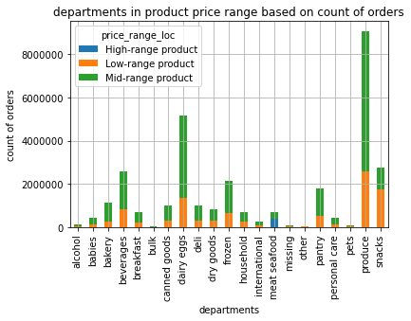
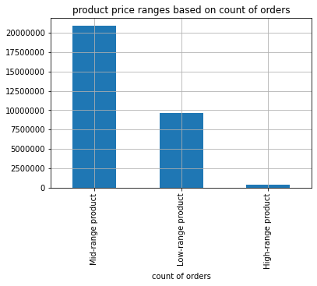

 | I added a column with a description that identifies price ranges of the products.
 | All charts count the amount of orders.

Key Question 4:

 | Are there certain types of products that are more popular than others? The marketing and sales teams want to know which departments have the highest frequency of product orders.

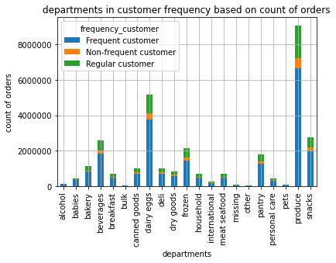

 | The departments produce, dairy eggs, beverages, snacks, frozen and pantry are ordered frequently. Produce has the highest.
 | The chart counts the amount of orders.

Key Question 5:

 | What’s the distribution among users in regards to their brand loyalty (i.e., how often do they return to Instacart)?

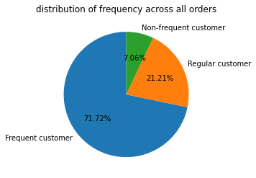

 | Frequent customers make up ~72% of the customer base, whereas regulat customers and non-frequent customers make up around 28 % together.

Key Question 6:

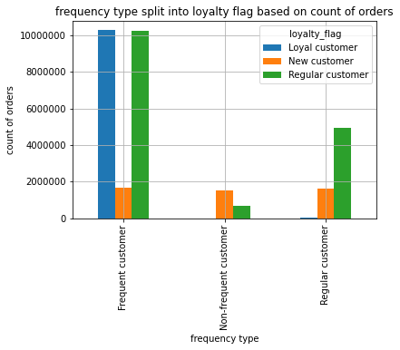
 | Are there differences in ordering habits based on a customer’s loyalty status?
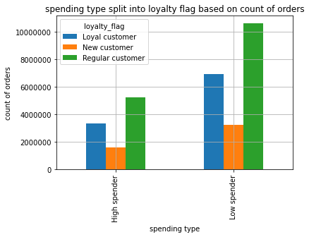

 |  | Regular customers tend to be rather low spenders than high spenders. There are also more present in the frequent customer group
 |  | New customers tend to be rather low spenders as well, but are equally distributed among the frequency types.
 |  | Loyal customers also are rather low spenders in general but are the most frequent ones as well.

Key Question 7:

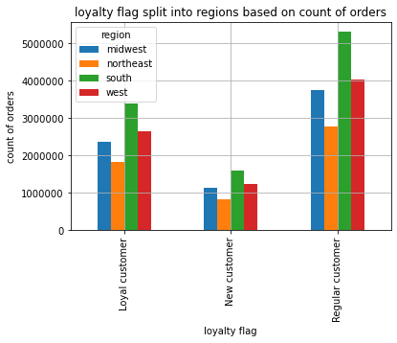
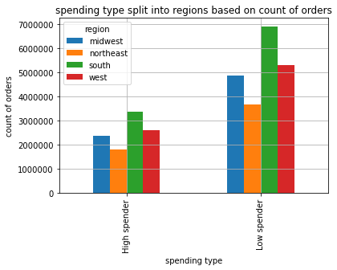
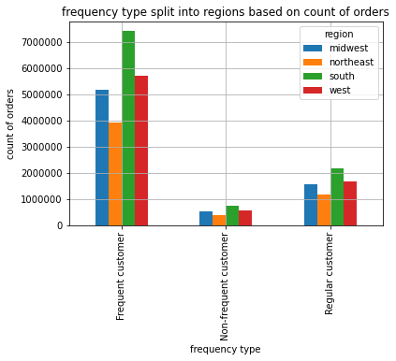
 | Are there differences in ordering habits based on a customer’s region?

 |  | The ranking is in all categories equal, region 3 (south) leads the ranks, then comes 4 (west), followed by 2 (midwest) and in the end region 1 (northeast) closes the ranks.
 |  | All regions tend to be rather low spenders than high spenders.
 |  | The greatest loyalty group is the regular customer through all regions.
 |  | The frequent customer as well, makes up the highest frequency type.
 |  | In the end, the ordering habits don't differ throughout the regions.

Key Question 8:

 | Is there a connection between age and family status in terms of ordering habits?
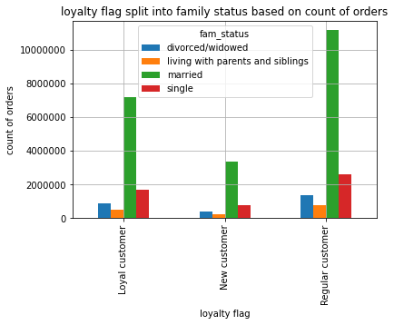
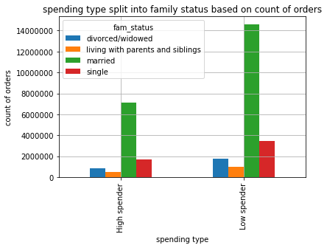
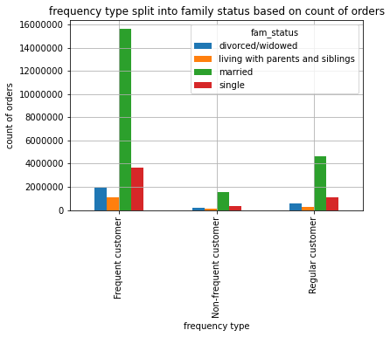

 |  | The ranking throughout all habit profiles is the same, married customers lead, then single ones, followed by divorced/widows and the ones living with parents and siblings.
 |  | However, the married people order the most throughout all habit profiles.

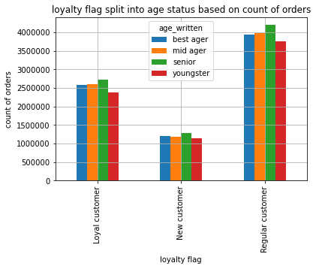
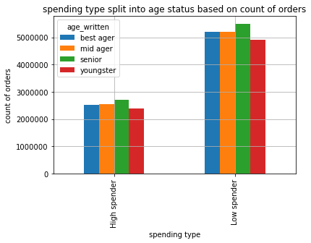
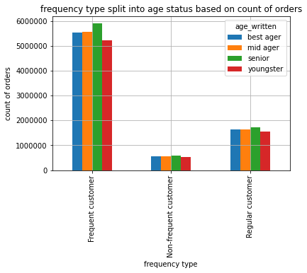

 |  | The ranking is more or less also equal, but much more subtle. The seniors lead, followed by the mid agers and best agers, the youngsters close the leaderboards.
 |  | Furthermore there seems to be no connection between the age and the habit, since the groups are nearly equal.

Key Question 9:

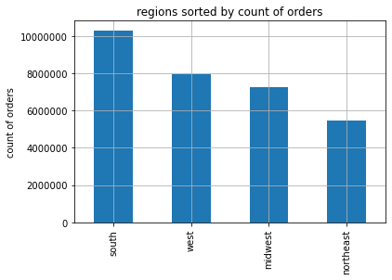
 | What different classifications does the demographic information suggest? Age? Income? Certain types of goods? Family status?

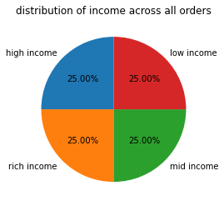
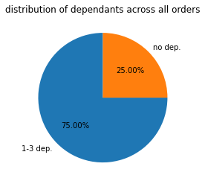
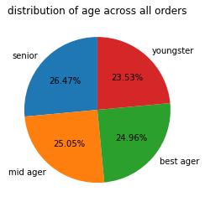

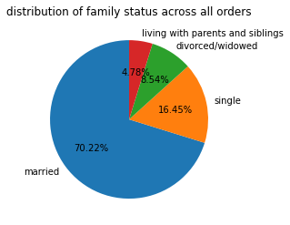
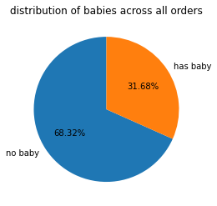
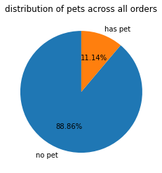

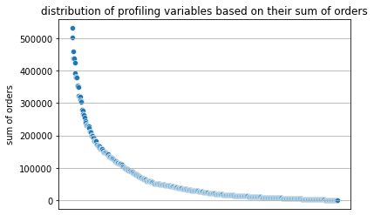
 | We have the seperation through region, income, age, dependants, baby/no baby and pet/no pet. I marked every order with these categories. The categories baby and pet were taken from a subset which searched for every order of a customer and looked if this person orders products from these specific departments. In the end I had 4 regions, 4 income groups, 4 age groups, 2 dependant groups, 2 baby groups and 2 pet groups. 4x4x4x2x2x2=512 - I sorted every order into 512 profiles. In the end only 509 profiles existed. 3 possible profiles had no orders. Then I added to each profile it sum of orders.

 | Then I checked, using a standard deviation of 2 away from the mean, all profiles which surpass the sum of orders of a 2 times standard deviation. In the end I had 26 profiles which make up 9 million orders of the whole 30.9 million orders in my dataframe. I tagged these profiles in the main dataframe and then had a selection of 25 profiles which make up a rough third of all orders. I used this selection to check all findings to this premium group of customers.
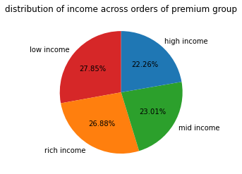
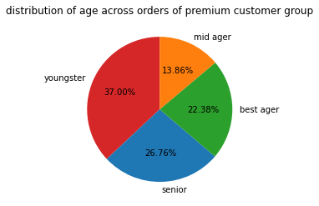
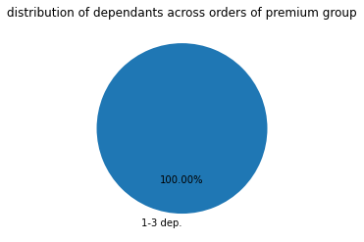

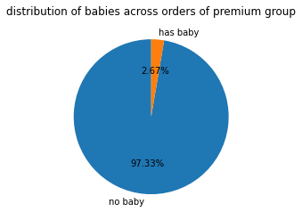
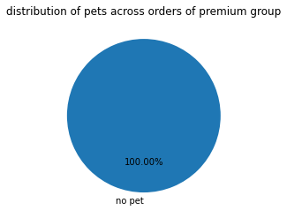
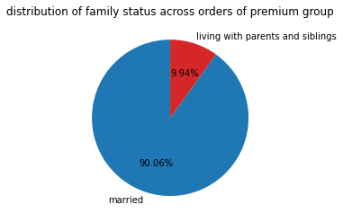

 | Using this selection I went through the demographic classifications again, and we can see, that the instacart premium user is to 37 % a youngster, without a baby, that probably lives with a family, is married, makes up the low as well as the highest group of income and doesn't own a pet. Furthermore, I will use this profile to give recommendations.

Key Question 10:

 | What differences can you find in ordering habits of different customer profiles? Consider the price of orders, the frequency of orders, the products customers are ordering, and anything else you can think of.

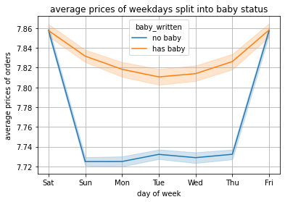
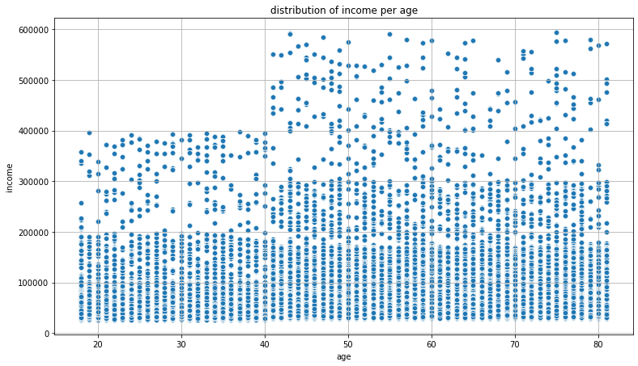
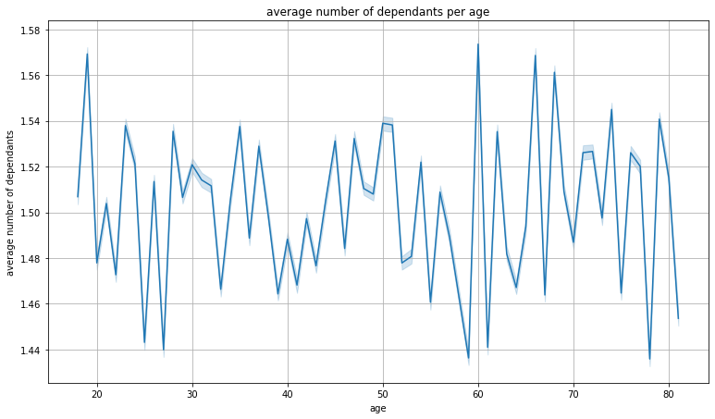

 |  | The price volume throughout the week is highly dependent if the user has a baby or not.

 |  | There is no connection between the number of dependents and the age.

 |  | The ages below the age of 40 have less spending power then the customers above the age of 40

7. Recommendations
 |  |  | Title page

Recommendations

In this tab you should include any recommendations you would made to Instcart in terms of their marketing strategy based on the questions posed in the brief. Every key question has been covered in the Tasks of the Exercises - here you need to add an item - a visualisation or table/crosstable that is showing the answer in the data, acompanied by a comment from you. Please, list the questions below and add the answer underneath.

Key Question 1:

 | The sales team needs to know what the busiest days of the week and hours of the day are (i.e., the days and times with the most orders) in order to schedule ads at times when there are fewer orders.
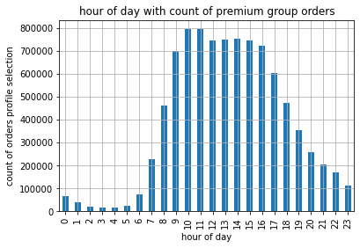
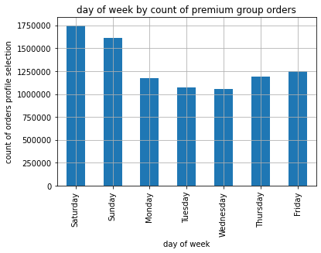

 | The busiest days is Saturday and Sunday, the laziest day is Wednesday. From 10 o'clock till 15 o'clock is the time with most orders.

 | Recommendation:
 | The selection of the premium group doesn't impact the outcome of the charts.
 | Therefore, the best days for schedula ads are Saturday and Sunday 10-15 o'clock.

Key Question 2:

 | They also want to know whether there are particular times of the day when people spend the most money, as this might inform the type of products they advertise at these times.

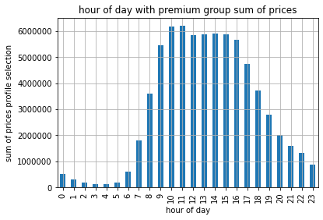
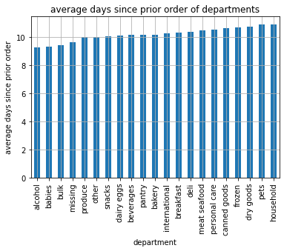
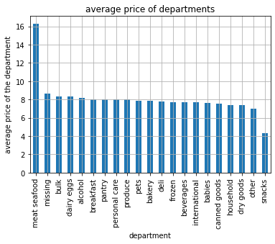

 | Similiar to the time period with the most orders, from 10 o'clock till 15 o'clock is also the time in which the most money is spent.

 | Recommendation:
 | The best departments to advertise are the alcohol, the babies, the bulk and the missing department. These departments have the lowest average days since last prior order count.
 | Furthermore, the meat seafood department has the highest average price and are therefore also an option.

Key Question 3:

 | Instacart has a lot of products with different price tags. Marketing and sales want to use simpler price range groupings to help direct their efforts.

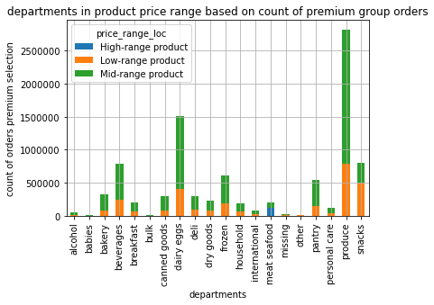

 | I added a column with a description that identifies price ranges of the products.

 | Recommendation:
 | The right chart is the chart with the selected premium customers. However, there's no real new difference to observe.

Key Question 4:

 | Are there certain types of products that are more popular than others? The marketing and sales teams want to know which departments have the highest frequency of product orders.

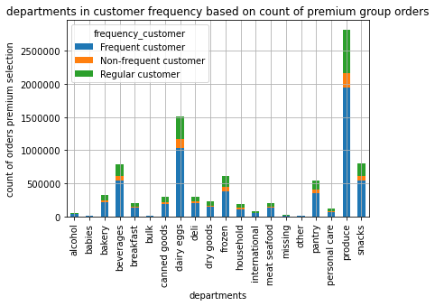
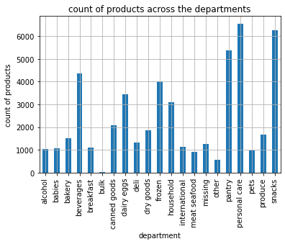

 | The departments produce, dairy eggs, beverages, snacks, frozen and pantry are ordered frequently. Produce has the highest.
 | The charts count the amount of orders.

 | Recommendation:
 | There is no great difference between the premium customers group (chart on the right) and the chart on the left
 | However, the produce and the dairy_eggs are the most popular categories. Surprisingly, the produce department doesn't hold the most products. Increasing the product variety in this department is advised.

Key Question 5:

 | What’s the distribution among users in regards to their brand loyalty (i.e., how often do they return to Instacart)?

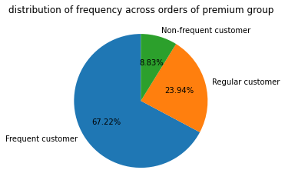

 | Frequent customers make up ~72% of the customer base, whereas regulat customers and non-frequent customers make up around 28 % together.

 | Recommendation:
 | As we can see the premium customer chart on the right, shows that the premium customers consists of more regular and non-frequent customers than the chart with all customers.
 | Targeting regular customers and non-frequent customers as well and not solely focusing on frequent customers is advised. The targeting ratio should resemble the premium customer chart.
 | Targeting frequent customers with 2 thirds of the focus and splitting the last third into two thirds regular customer and 1 third non-frequent customer.

Key Question 6:

 | Are there differences in ordering habits based on a customer’s loyalty status?

 |  | Regular customers tend to be rather low spenders than high spenders. There are also more present in the frequent customer group
 |  | New customers tend to be rather low spenders as well, but are equally distributed among the frequency types.
 |  | Loyal customers also are rather low spenders in general but are the most frequent ones as well.

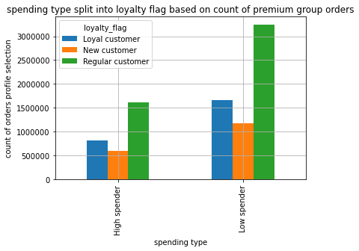
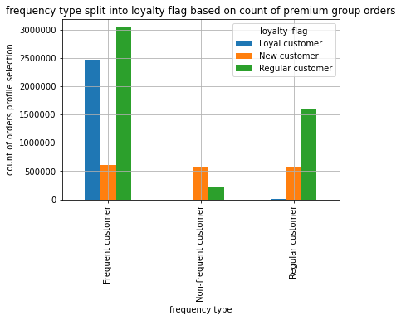

 | Recommendation:
 | Adding the premium customer chart (below) shows, that a higher part of regular customers are also part of frequent customers than in the entire dataframe (on top).
 | The spending type doesn't change.
 | This shows that regular and frequent customers have a slight advantage in the amount of orders. Grow the frequent regular customers into frequent loyal customers with targeted advertising and better customer loyalty programs.

Key Question 7:

 | Are there differences in ordering habits based on a customer’s region?

 |  | The ranking is in all categories equal, region 3 (south) leads the ranks, then comes 4 (west), followed by 2 (midwest) and in the end region 1 (northeast) closes the ranks.
 |  | All regions tend to be rather low spenders than high spenders.
 |  | The greatest loyalty group is the regular customer through all regions.
 |  | The frequent customer as well, makes up the highest frequency type.
 |  | In the end, the ordering habits don't differ throughout the regions.

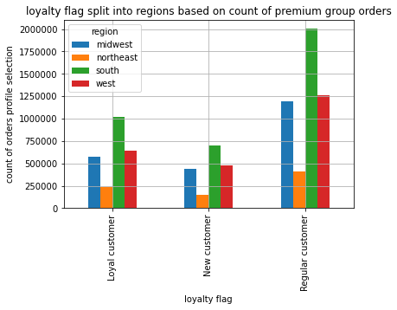
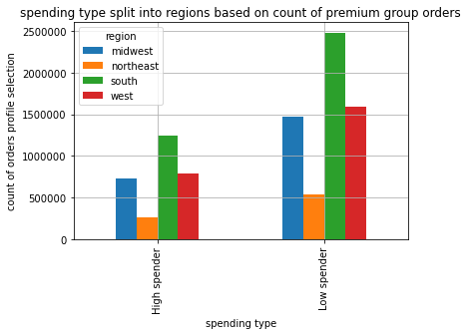
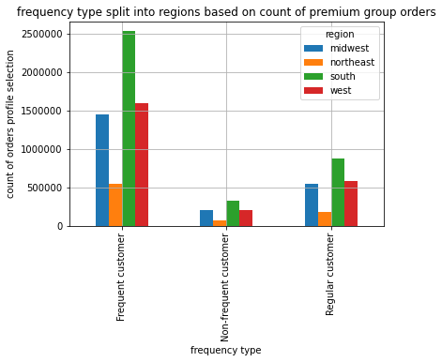

 |  | Recommendation:
 |  | Adding the premium customer charts (below) doesn't reveal anything interesting.
 |  | The only thing that stands out, is the throughout peaking of region 3 (south). Therefore the premium customer base consists of much regular, low spending, frequent customers from the south.
 |  | Targeting them with loyalty programs could improve their journey into a loyal, high spending frequent customer.
 |  | Advertising this peticular customer group in the south is advised.

Key Question 8:

 | Is there a connection between age and family status in terms of ordering habits?

 |  | The ranking throughout all habit profiles is the same, married customers lead, then single ones, followed by divorced/widows and the ones living with parents and siblings.
 |  | However, the married people order the most throughout all habit profiles.

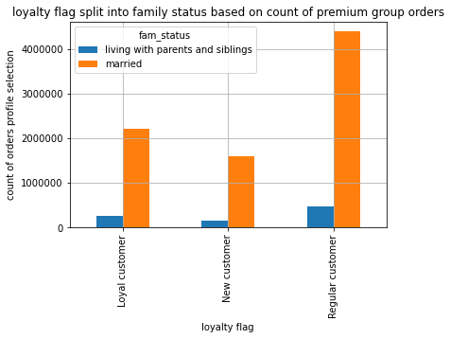



 | Recommendation:
 | As already meantioned, the premium customer group has highly married numbers and few users living with parents and siblings.
 | The premium customer group consists of mostly married people. Targeting them to increase the premium customer group is recommended.

 |  | The ranking is more or less also equal, but much more subtle. The seniors lead, followed by the mid agers and best agers, the youngsters close the leaderboards.
 |  | Furthermore there seems to be no connection between the age and the habit, since the groups are nearly equal.





 | Recommendation:
 | As already mentioned, the premium customer group consist mostly of youngsters and seniors. This also shows in their buying habits. Youngsters and seniors lead the loyalty, spending and frequency type of the premium group.
 | I recommend to further target these groups for more revenue.

Key Question 9:

 | What different classifications does the demographic information suggest? Age? Income? Certain types of goods? Family status?

 | We have the seperation through region, income, age, dependants, baby/no baby and pet/no pet. I marked every order with these categories. The categories baby and pet were taken from a subset which searched for every order of a customer and looked if this person orders products from these specific departments. In the end I had 4 regions, 4 income groups, 4 age groups, 2 dependant groups, 2 baby groups and 2 pet groups. 4x4x4x2x2x2=512 - I sorted every order into 512 profiles. In the end only 509 profiles existed. 3 possible profiles had no orders. Then I added to each profile it sum of orders.

 | Then I checked, using a standard deviation of 2 away from the mean, all profiles which surpass the sum of orders of a 2 times standard deviation. In the end I had 26 profiles which make up 9 million orders of the whole 30.9 million orders in my dataframe. I tagged these profiles in the main dataframe and then had a selection of 25 profiles which make up a rough third of all orders. I used this selection to check all findings to this premium group of customers.

 | Using this selection I went through the demographic classifications again, and we can see, that the instacart premium user is to 37 % a youngster, without a baby, that probably lives with a family, is married, makes up the low as well as the highest group of income and doesn't own a pet. Furthermore, I will use this profile to give recommendations.

 | Recommendation:
 | The premium customer group makes up nearly a third of all orders. Focusing on these characteristics inside and outside of the already existing customer base is highly advised.

Key Question 10:

 | What differences can you find in ordering habits of different customer profiles? Consider the price of orders, the frequency of orders, the products customers are ordering, and anything else you can think of.

 |  | The price volume throughout the week is highly dependent if the user has a baby or not.

 |  | There is no connection between the number of dependents and the age.

 |  | The ages below the age of 40 have less spending power then the customers above the age of 40

 |  | Recommendation:
 |  | The customers with babies have a steady need of supplies, focusing them throughout the week is an option. However, this group is small and doesn't add much to the revenue.
 |  | Although the spending power below 40 is smaller than the one above 40, youngsters make up a huge amount of the premium customer group, followed by seniors.

